Supporting Info
Granada: | Portugal: |  | Italy
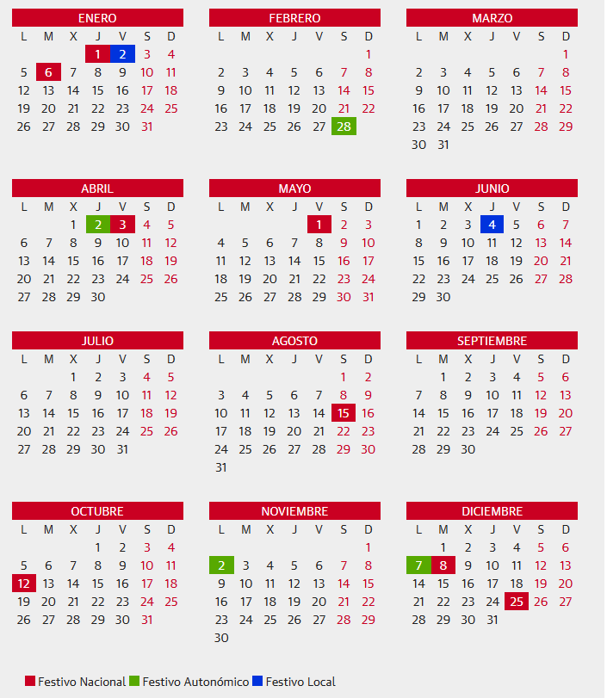
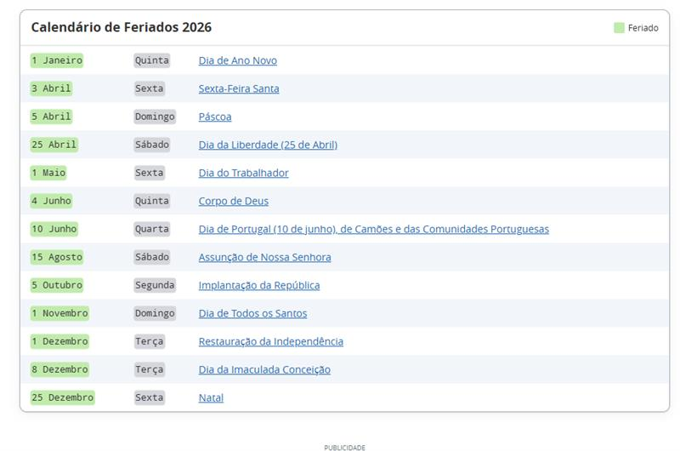
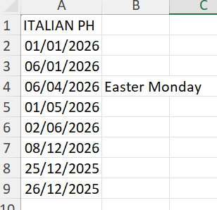

 | June 13 - Lisbon holiday (Santo Antonio)

Cantabria / Leading: | Japan:

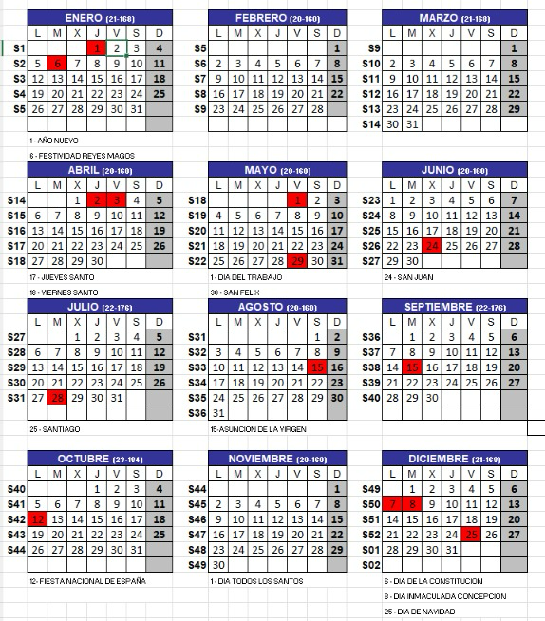
 | 5 January
 | 6 January
 | 12 January | Coming of age day
 | 11 February | National Foundation day
 | 23 February | Emperor's Birthday
 | 20 March | Vernal Equinox Day
 | 2 April
 | 3 April
 | 6 April
 | 29 April | Showa day
 | 1 May
 | 3 May | (Sunday, Constitution day)
 | 4 May | Monday Greenery Day
 | 5 May | Tuesday Children's day
 | 6 May | (compensation day as 3 May is Sunday)
 | 25 May
 | 24 June
 | 20 July | Marine Day
 | 11 August | Monday, Mountain Day
 | 11 September
 | 21 September | Monday Respect for the Aged Day
 | 22 September | Tuesday special holiday as 21+23 are public holidays
 | 23 September | Wednesday Autumnal Equinox Day
 | 24 September
 | 12 October | Monday Health and Sports Day
 | 3 November | Tuesday Culture Day
 | 11 November
 | 23 November | Monday Labour Thanksgiving Day
 | 8 December
 | 23 December
 | 24-31 December

Italy:

